Sheet1
 |  |  |  | Step - 1

 |  |  |  |  |  |  |  |  |  | formulas
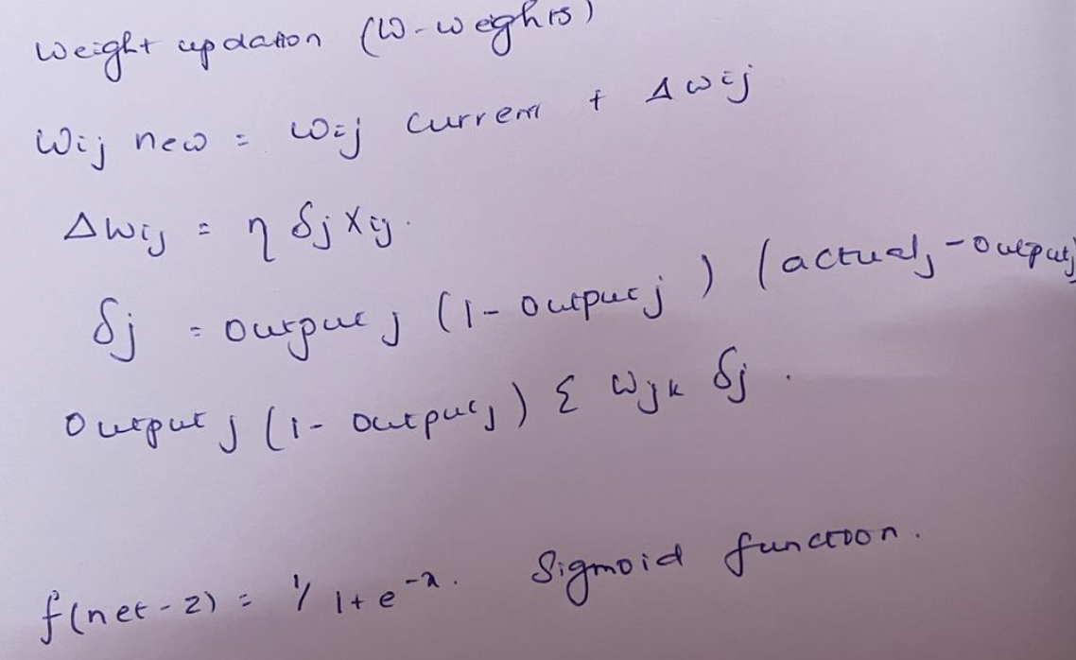

X
XX
1
 |  |  |  |  | 1

Node 1
 |  |  |  | 0.5
 |  |  | 0.7
0.4 |  |  |  |  |  | 0.789182 | 0.5
A
Node 2
 |  |  |  | 0.6
 |  |  | 0.9 |  |  |  | 0.9
 |  |  |  | 0.8 |  |  |  |  |  |  |  |  | Predicted | 0.88643230033
Node z
0.2 |  |  |  |  |  |  |  |  |  |  |  |  | Actual | 0.75
 |  |  | 0.8 | 0.6 |  | 0.817574 |  |  |  |  |  |  | Learning Factor | 0.1
B
 |  |  |  |  |  |  | 0.9 |  | 0.8750 | Predicted |  |  | difference | -0.13643230033
 |  |  |  |  |  |  |  |  | 0.8000 | Actual
Node 3
0.7 |  |  | 0.4
 |  |  |  | 0.2

Node 4
0.2 |  |  | 0.2 |  |  |  |  | Output Layer
 |  |  |  |  |  |  |  | (0.8750)*(1-0.8750)*(-0.0750) |  |  | -0.013734650215

 |  |  |  |  |  |  |  | From | To | Flow | Adjustment | Old Weight | New Weight
 |  | input | From | To | Weight | Output |  | xx | z | 1 | -0.0013734650215 | 0.5 | 0.49862653498
 |  | 1 | x | A | 0.5 | 0.5 |  | A | z | 0.8532096602 | -0.0011718536243 | 0.9 | 0.89882814638
 |  | 0.4 | Node 1 | A | 0.6 | 0.24 |  | B | z | 0.87435214348 | -0.0012008920856 | 0.9 | 0.89879910791
 |  | 0.7 | Node 2 | A | 0.8 | 0.56
 |  | 0.7 | Node 3 | A | 0.6 | 0.42
 |  | 0.2 | Node 4 | A | 0.2 | 0.04
 |  |  |  |  |  | 1.76

 |  |  |  |  |  |  |  | Hidden layer
 |  | f(net-z) | (1/(1+exp(-x)) |  | 0.8532096602 |  |  | (0.789)(1-0.789)(0.9)(-0.0008204115) |  |  | -0.0015481511254

 |  |  |  |  |  |  |  | From | To | Flow | Adjustment | Old Weight | New Weight
 |  | input | From | To | Weight | Output |  | X | A | 1 | -0.00015482 | 0.5 | 0.49984518
 |  | 1 | x | B | 0.7 | 0.7 |  | Node 1 | A | 0.4 | -0.00006193 | 0.6 | 0.59993807395
 |  | 0.4 | Node 1 | B | 0.9 | 0.36 |  | Node 2 | A | 0.7 | -0.00010837 | 0.8 | 0.79989162942
 |  | 0.7 | Node 2 | B | 0.8 | 0.56 |  | Node 3 | A | 0.7 | -0.00010837 | 0.6 | 0.59989162942
 |  | 0.7 | Node 3 | B | 0.4 | 0.28 |  | Node 4 | A | 0.2 | -0.00003096 | 0.2 | 0.19996903698
 |  | 0.2 | Node 4 | B | 0.2 | 0.04
 |  |  |  |  |  | 1.94

 |  | f(net-z) | (1/(1+exp(-x)) | 1/1+exp(-1.94) | 0.87435214348
 |  |  |  |  |  |  |  | Hidden layer
 |  |  |  |  |  |  |  | (0.817)(1-0.817)(0.9)(-0.0008204115) |  |  | -0.0013580056481
 |  | input | From | To | Weight | Output
 |  | 1 | xx | z | 0.5 | 0.5 |  | From | To | Flow | Adjustment | Old Weight | New Weight
 |  | 0.8532096602 | A | z | 0.9 | 0.76788869418 |  | X | B | 1 | -0.00015482 | 0.7 | 0.69984518489
 |  | 0.87435214348 | B | z | 0.9 | 0.78691692914 |  | Node 1 | B | 0.4 | -0.00006193 | 0.9 | 0.89993807395
 |  |  |  |  |  | 2.0548056233 |  | Node 2 | B | 0.7 | -0.00010837 | 0.8 | 0.79989162942
 |  |  |  |  |  |  |  | Node 3 | B | 0.7 | -0.00010837 | 0.4 | 0.39989162942
 |  | f(net-z) | (1/(1+exp(-x)) | 1/1+exp(-2.05480) | 0.88643230033 |  |  | Node 4 | B | 0.2 | -0.00003096 | 0.2 | 0.19996903698

 | Step - 2

 |  | Predicted | 0.88623008825
 |  | Actual | 0.75
 |  | Learning Factor | 0.1 |  |  |  |  | Output Layer
 |  | difference | -0.13623008825 | actual-predicted |  |  |  |  |  |  | -0.013735578326

 |  |  |  |  |  |  |  | From | To | Flow | Adjustment | Old Weight | New Weight
 |  | input | From | To | Weight | Output |  | xx | z | 1 | -0.0013735578326 | 0.49917958851 | 0.49780603068
 |  | 1 | x | A | 0.49987715442 | 0.49987715442 |  | A | z | 0.85318134231 | -0.0011718939153 | 0.89935254626 | 0.89818065235
 |  | 0.4 | Node 1 | A | 0.59995086177 | 0.23998034471 |  | B | z | 0.87432730114 | -0.0012009391127 | 0.89932925251 | 0.8981283134
 |  | 0.7 | Node 2 | A | 0.79997543088 | 0.55998280162
 |  | 0.7 | Node 3 | A | 0.59991400809 | 0.41993980566
 |  | 0.2 | Node 4 | A | 0.19996904 | 0.039993808
 |  |  |  |  |  | 1.7597739144

 |  |  |  |  |  |  |  | Hidden layer
 |  | f(net-z) | (1/(1+exp(-x)) | 1/1+exp(-1.75977) | 0.85318134231 |  |  |  |  |  | -0.0015473890421

 |  |  |  |  |  |  |  | From | To | Flow | Adjustment | Old Weight | New Weight
 |  | input | From | To | Weight | Output |  | X | A | 1 | -0.00015474 | 0.49987715442 | 0.49972242
 |  | 1 | x | B | 0.69988987468 | 0.69988987468 |  | Node 1 | A | 0.4 | -0.00006190 | 0.59995086177 | 0.59988896621
 |  | 0.4 | Node 1 | B | 0.89995594987 | 0.35998237995 |  | Node 2 | A | 0.7 | -0.00010832 | 0.79997543088 | 0.79986711365
 |  | 0.7 | Node 2 | B | 0.79997797494 | 0.55998458246 |  | Node 3 | A | 0.7 | -0.00010832 | 0.59991400809 | 0.59980569086
 |  | 0.7 | Node 3 | B | 0.39992291228 | 0.2799460386 |  | Node 4 | A | 0.2 | -0.00003095 | 0.19996904 | 0.19993809222
 |  | 0.2 | Node 4 | B | 0.19996904 | 0.039993808
 |  |  |  |  |  | 1.9397738928

 |  | f(net-z) | (1/(1+exp(-x)) | 1/1+exp(-1.93977) | 0.87432730114
 |  |  |  |  |  |  |  | Hidden layer
 |  |  |  |  |  |  |  |  |  |  | -0.0013573150077
 |  | input | From | To | Weight | Output
 |  | 1 | xx | z | 0.49917958851 | 0.49917958851 |  | From | To | Flow | Adjustment | Old Weight | New Weight
 |  | 0.85318134231 | A | z | 0.89935254626 | 0.76731081263 |  | X | B | 1 | -0.00013573 | 0.69987715442 | 0.69974142292
 |  | 0.87432730114 | B | z | 0.89932925251 | 0.78630811819 |  | Node 1 | B | 0.4 | -0.00006190 | 0.89995086177 | 0.89988896621
 |  |  |  |  |  | 2.0527985193 |  | Node 2 | B | 0.7 | -0.00010832 | 0.79997543088 | 0.79986711365
 |  |  |  |  |  |  |  | Node 3 | B | 0.7 | -0.00010832 | 0.39991400809 | 0.39980569086
 |  | f(net-z) | (1/(1+exp(-x)) | 1/1+exp(-2.0527) | 0.88623008825 |  |  | Node 4 | B | 0.2 | -0.00003095 | 0.19996904 | 0.19993809222

 |  |  |  |  |  |  | Predicted Output: | 0.88623008825

